Davit Crane
 |  |  |  |  | GAS PROCESSING & METHANOL COMPLEX PROJECT NO. 11998A |  |  | Document Number:
 |  |  |  |  |  |  |  | EA-BFPCL-GPMC-GGPL-FEED-MPP-DSH-005
 |  |  |  |  |  |  |  | Date: |  |  | 5-Jul-22

Document Name:
DATA SHEET FOR JIB CRANE

GENERAL |  |  | Item |  |  |  | JIB Crane |  |  |  |  | 1
 |  |  | Davit Type |  |  |  | Manual (Note 1) |  |  |  |  | 2
 |  |  | Hoist Capacity |  |  |  | 2 tonne (Note 2, 4) |  |  |  |  | 3
 |  |  | Lifting Medium | EA-BFPCL-GPMC-GGPL-FEED-MPP-DSH-005 |  |  | Manual Hoist (Note 4, 6) |  |  |  |  | 4
 |  |  | Operation |  |  |  | Chain driven |  |  |  |  | 5
 |  |  | Area Classification |  |  |  | Zone 2, Gas Group IIB, Class T3 |  |  |  |  | 6
 |  |  | Quantity Required |  |  |  | 2
 |  |  | Location |  |  |  | BBOU/ELEPA Manifold Platforms (Nigeria) |  |  |  |  | 7
DESIGN DATA |  |  | Standards | 2022-07-05 |  |  | ANSI B30.16 & Manufacturer's Standard |  |  |  |  | 8
 |  |  | Service |  |  |  | Vertical Lifting/Transfer |  |  |  |  | 9
 |  |  | Lifting Height |  |  |  | 5m Minimum |  |  |  |  | 10
 |  |  | Reach |  |  |  | Operated from Platform |  |  |  |  | 11
 |  |  | Hoist Type |  |  |  | VTA |  |  |  |  | 12
 |  |  | Chain Falls |  |  |  | VTA |  |  |  |  | 13
 |  |  | Slewing Range |  |  |  | 360 degrees |  |  |  |  | 14
 |  |  | Chain Size |  |  |  | VTA |  |  |  |  | 15
 |  |  | Mounting |  |  |  | VTA |  |  |  |  | 16
 |  |  | Safe Working Load |  |  |  | 2 mT |  |  |  |  | 17
 |  |  | Weight (kg) |  |  |  | VTA |  |  |  |  | 18
 |  |  | Winch Type |  |  |  | Manual |  |  |  |  | 19
 |  |  | Brake |  |  |  | Yes |  |  |  |  | 20
 |  |  | Type of Brake |  |  |  | VTA |  |  |  |  | 21
ENVIRONMENTAL CONDITION |  |  | Operating Temperature |  |  |  | Ambient |  |  |  |  | 22
 |  |  | Indoor/ outdoor |  |  |  | Outdoor |  |  |  |  | 23
 |  |  | Hazardous |  |  |  | Yes |  |  |  |  | 24
MATERIAL |  |  | Chain Material |  |  |  | Galvanized material or approved equal (Note 7) |  |  |  |  | 25
 |  |  | Hoist |  |  |  | Galvanized material or approved equal (Note 7) |  |  |  |  | 26
 |  |  | Column |  |  |  | ASTM A 36 or approved equal (note 7) |  |  |  |  | 27
 |  |  | Davit |  |  |  | ASTM A 36 or approved equal (note 7) |  |  |  |  | 28
 |  |  | Base Plate |  |  |  | ASTM A 36 or approved equal (note 7) |  |  |  |  | 29
 |  |  | Name Plate |  |  |  | SS 316L |  |  |  |  | 30
 |  |  | Hook Material |  |  |  | Galvanized material or approved equal (Note 7) |  |  |  |  | 31
 |  |  | Special Requirement |  |  |  | Non-spark Material |  |  |  |  | 32
OTHER REQUIREMENTS |  |  | Marking |  |  |  | As per Manufacturer's Standard |  |  |  |  | 33
 |  |  | Testing |  |  |  | Note 6 |  |  |  |  | 34
 |  |  | Preservation and Packing |  |  |  | As per Manufacturer's Standard |  |  |  |  | 35
 |  |  | Painting |  |  |  | as per Project Painting Specification |  |  |  |  | 36
MANUFACTURER'S DATA. |  |  |  |  |  |  |  |  |  |  |  | 37
Manufacturer's Name: |  |  |  |  |  | As per Approved Vendor List |  |  | Serial No.: | VTA |  | 38
Model No.: |  |  |  |  |  | VTA |  |  |  |  |  | 39
Spare Parts: |  |  |  |  |  | As per Company requirements |  |  |  |  |  | 40
Warranty requirement: |  |  |  |  |  | Yes |  |  |  |  |  | 41

 | NOTES:
 | 1. The Jib Crane shall be used to handle valves located on the platform. It shall be composed by a self-supporting column (free standing), fixed to the platform and by an arm rotating in the upper part of the column itself.
 | 2. The Jib Crane capacity is sized based on the largest valve located on the platform.
 | 3. The Crane shall be for outdoor use in an onshore atmosphere concomitant with the tropical region of Nigeria. Item shall be spark proof and weatherproof.
 | 4. The crane shall be manually operated type. The hoist system shall be manual chain hoist. The hoist system shall conform with the requirements of ASME HST 2. Vendor shall select suitable hoist capacity based on the crane capacity.
 | 5. Design values are subject to correct Manufacturer's Standards.
 | 6. Chain hoist shall be tested by the manufacturer in accordance with ASME B30.16.
 | 7. Material specification shall conform to the requirements of ASME B30.16 and ASME HST 2. Deviation from these requirements shall be in agreement with the COMPANY/CONTRACTOR.

 | ABBREVIATIONS
 | VTA - Vendor to Advise

JIB CRANE SKETCH
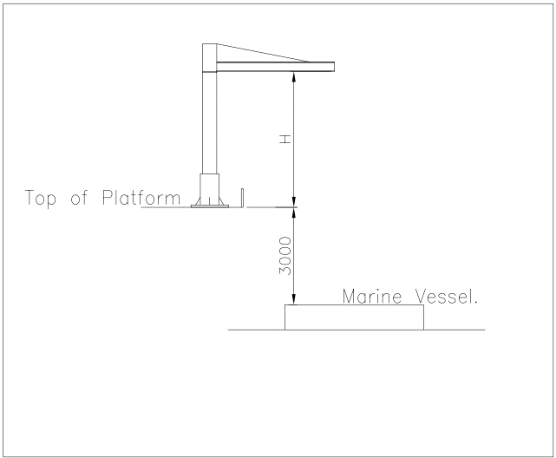

DAVIT CRANE DIMENSIONAL INFORMATION
 |  | Davit Crane
 | H | 2.5 m (min)
 | L | 2.0 m

